petcsm 5x5 test
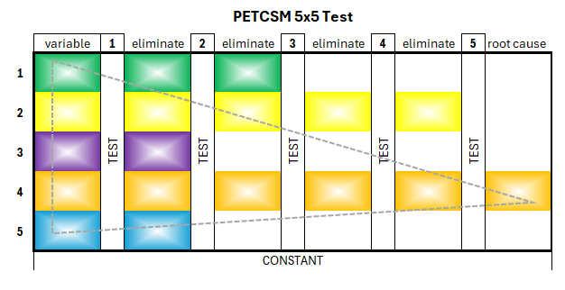
PETCSMTM 5x5 Test

 |  |  |  |  |  |  |  |  |  |  |  |  |  | Test 1 | Test 2 | Test 3 | Test 4 | Test 5
 | variable | 1 | eliminate | 2 | eliminate | 3 | eliminate | 4 | eliminate | 5 | root cause |  | variable | constant | constant | constant | constant | constant
1 |  | TEST |  | TEST |  | TEST |  | TEST |  | TEST |  | 1 | toxic co-worker(s) | TRUE | FALSE | FALSE | FALSE | FALSE
2 |  |  |  |  |  |  |  |  |  |  |  | 2 | immediate supervisor | TRUE | TRUE | FALSE | FALSE | FALSE
Analyze each variable (as a possible root cause of the issue). Which variable(s) remains a constant through each test? The variable that remains as a constant IS the root cause of the issue. Eliminate non-constant variables.
Example
Issue: a department at Work has high turnover of staff.
---------------------------------------------------------
Variable: another co-worker
Test 1: there is no toxic co-worker(s) in the same or intersecting work area
---------------------------------------------------------
Variable: the immediate supervisor.
Test 2: the supervisor quit the company, but the turnover still happens.
---------------------------------------------------------
Variable: Look at the next level up at the immediate manager.
Test 3: the manager quit the company, but the turnover still happens.
---------------------------------------------------------
Variable: look at the immediate director. The director has been with the company in the department for the duration of the turnover.
Test 4: the director is still with the company during the turnover
---------------------------------------------------------
Variable: the immediate VP
Test 5: the VP is still with the company during the turnover
---------------------------------------------------------
Root Cause: we can conclude the director and VP are the root cause of the issue. Further investigastion is warranted.
3 |  |  |  |  |  |  |  |  |  |  |  | 3 | immediate manager | TRUE | TRUE | TRUE | FALSE | FALSE
4 |  |  |  |  |  |  |  |  |  |  |  | 4 | immediate director | TRUE | TRUE | TRUE | TRUE | TRUE
5 |  |  |  |  |  |  |  |  |  |  |  | 5 | immediate VP | TRUE | TRUE | TRUE | TRUE | TRUE
 | constant

 | What is the issue? |  |  |  |  |  |  |  |  |  |  |  | The Root Cause is:
 | high turnover at work |  |  |  |  |  |  |  |  |  |  |  | immediate director immediate VP is/are the root cause: high turnover at work.

 | What is the goal?
 | fo find out why and fix this issue

edit
don't edit

