petcsm
Process of Elimination Through Common Source Method

 | Confirmed | Variable | Eliminate | Result | Confirmed | Root Cause | Variable Root Cause
1 | FALSE | name of variable one | FALSE
2 | FALSE | name of variable two | FALSE
3 | FALSE | name of variable three | FALSE
4 | FALSE | name of variable four | FALSE
5 | FALSE | name of variable five | FALSE
 | 0 |  | 0

 | What is the issue?
 | list the issue here

Typically, there should be no more than 5 confirmed variables that might contribute to a single issue. The goal is to eliminate as many variables as possible to narrow-down to the actual ROOT CAUSE.
1) Identify/key-in the variables and check/confirm if they are legitimate; 2) begin looking for commonality among the variables and eliminate what is NOT common; 3) the remaining one or two variables are common to the issue and most likely the ROOT CAUSE.
 | What is the goal?
 | what do you want to accomplish? Find the WHY.

 | The root cause is:

edit
don't edit

variable confirmation
Identify any possible variable that might be contributing to the problem.
List them.
Confirm if they are, in fact, actual variables that could be conntributing to the problem.
Choose up to FIVE.
Those variables should be carried over to whichever 5x5 test you choose.
 | PETCSMTM Variable Identification and Confirmation List
 | Identified Possible Variables | Confirmed | Carryover to 5x5 Test
1 | variable | FALSE
2 | variable | FALSE
3 | variable | FALSE
4 | variable | FALSE
5 | variable | FALSE
6 | variable | FALSE
7 |  | FALSE
8 |  | FALSE
9 |  | FALSE
10 |  | FALSE
11 |  | FALSE
12 |  | FALSE
13 |  | FALSE
14 |  | FALSE
15 |  | FALSE
16 |  | FALSE
17 |  | FALSE
edit
don't edit

petcsm 5x5 test
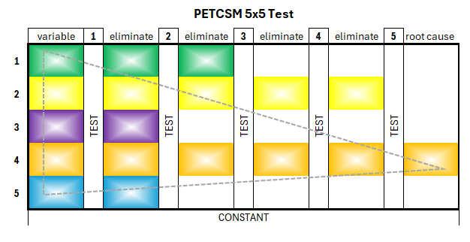
PETCSMTM 5x5 Test

 |  |  |  |  |  |  |  |  |  |  |  |  |  | Test 1 | Test 2 | Test 3 | Test 4 | Test 5
 | variable | 1 | eliminate | 2 | eliminate | 3 | eliminate | 4 | eliminate | 5 | root cause |  | variable | constant | constant | constant | constant | constant
1 |  | TEST |  | TEST |  | TEST |  | TEST |  | TEST |  | 1 | toxic co-worker(s) | TRUE | FALSE | FALSE | FALSE | FALSE
2 |  |  |  |  |  |  |  |  |  |  |  | 2 | immediate supervisor | TRUE | TRUE | FALSE | FALSE | FALSE
Analyze each variable (as a possible root cause of the issue). Which variable(s) remains a constant through each test? The variable that remains as a constant IS the root cause of the issue. Eliminate non-constant variables.
Example
Issue: a department at Work has high turnover of staff.
---------------------------------------------------------
Variable: another co-worker
Test 1: there is no toxic co-worker(s) in the same or intersecting work area
---------------------------------------------------------
Variable: the immediate supervisor.
Test 2: the supervisor quit the company, but the turnover still happens.
---------------------------------------------------------
Variable: Look at the next level up at the immediate manager.
Test 3: the manager quit the company, but the turnover still happens.
---------------------------------------------------------
Variable: look at the immediate director. The director has been with the company in the department for the duration of the turnover.
Test 4: the director is still with the company during the turnover
---------------------------------------------------------
Variable: the immediate VP
Test 5: the VP is still with the company during the turnover
---------------------------------------------------------
Root Cause: we can conclude the director and VP are the root cause of the issue. Further investigastion is warranted.
3 |  |  |  |  |  |  |  |  |  |  |  | 3 | immediate manager | TRUE | TRUE | TRUE | FALSE | FALSE
4 |  |  |  |  |  |  |  |  |  |  |  | 4 | immediate director | TRUE | TRUE | TRUE | TRUE | TRUE
5 |  |  |  |  |  |  |  |  |  |  |  | 5 | immediate VP | TRUE | TRUE | TRUE | TRUE | TRUE
 | constant

 | What is the issue? |  |  |  |  |  |  |  |  |  |  |  | The Root Cause is:
 | high turnover at work |  |  |  |  |  |  |  |  |  |  |  | immediate director immediate VP is/are the root cause: high turnover at work.

 | What is the goal?
 | fo find out why and fix this issue

edit
don't edit

petcsm 5x5 simple
1
Identify and confirm each variable contributing to the problem.
List the confirmed variables.
2
Analyze each variable (as a possible root cause of the issue). Which variable(s) remain(s) a constant through each test? The variable that remains as a constant IS the root cause of the issue. Eliminate non-constant variables.
Which are constants during the issue? Mark as TRUE.
Which can be eliminated? Mark as FALSE.
The root cause is that which remains as a constant during the issue.
PETCSMTM 5x5 Simple Test
 | Define and Confirm Your Variables (below)
A | diet
B | sleep
C | exercise
D | stress/anxiety
E | environmental factors

 | Variable | TRUE | FALSE |  | RESULT | CAUSE
IF | A | FALSE | TRUE | THEN | false
 | B | FALSE | TRUE |  | false
 | C | FALSE | TRUE |  | false
 | D | TRUE | FALSE |  | true | D
 | E | FALSE | TRUE |  | false
TRUE = constant
FALSE = not constant
TRUE = cause

